Sheet1
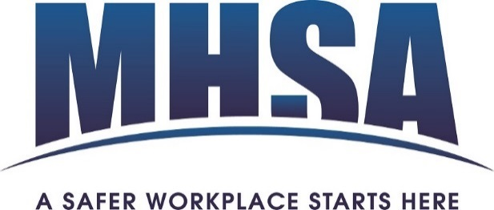
Company Name

Membership Calculator Fee Form - 2024

Company Name

Locations

Contact Name |  |  | Contact Email

Contact Phone # |  |  | Contact Mobile #

PO# (optional) |  |  | Industry Code(s)

2023 WCB Assessable Payroll

 | Please Note: Minimum fee is $100.00 + GST - Maximum fee is $10,000 + GST

 |  | 2023 WCB Assessable Payroll

 |  | Rate |  | 0.08 | /100 of payroll

 |  | Base Membership Fee |  | $0.00

 |  | GST (5%) |  | $0.00

 |  | Total Fees Due |  | $0.00

 |  | Membership fees are based on a January to December term.
 |  | Payment available via cheque or credit card.

Once form is complete, please email it to: maggie@mhsa.ab.ca

